清货库存
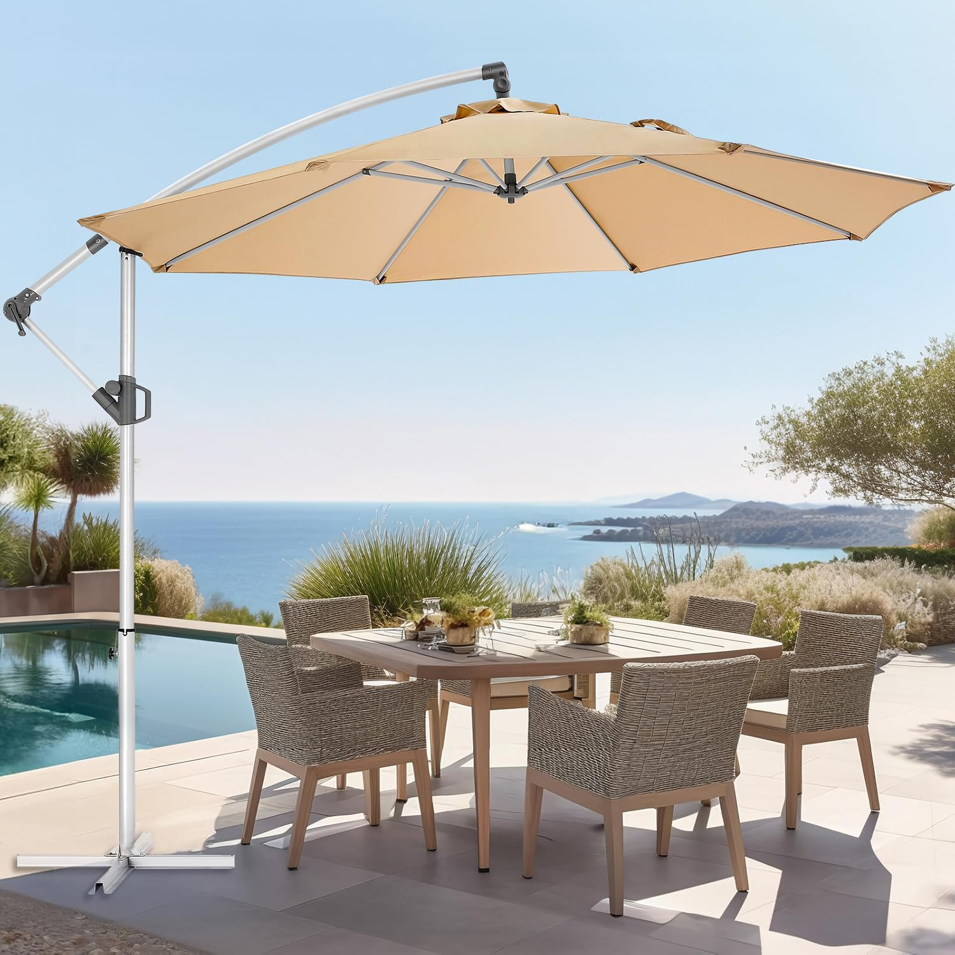 | 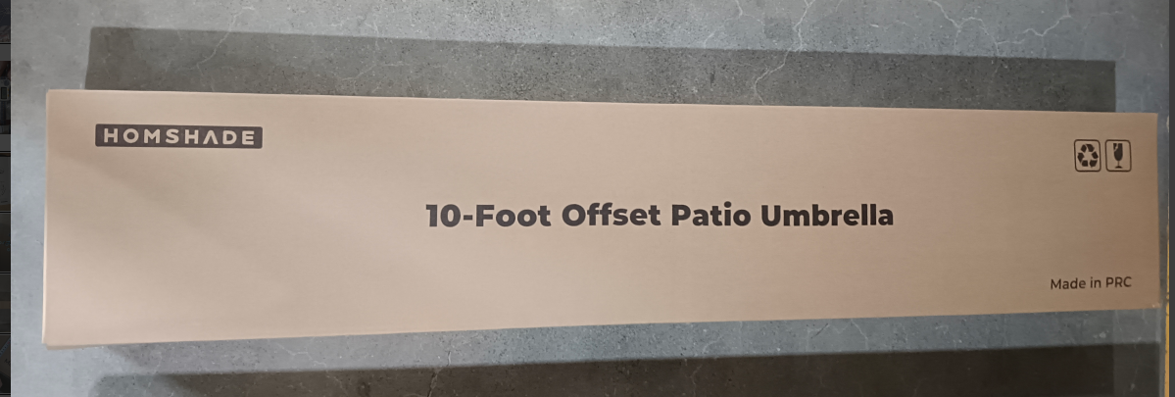 | SY20 单层米色 | 427 | 161.00*31.00 *14.50cm | 14.1kg | https://www.amazon.com/dp/B0CNBSFGQY
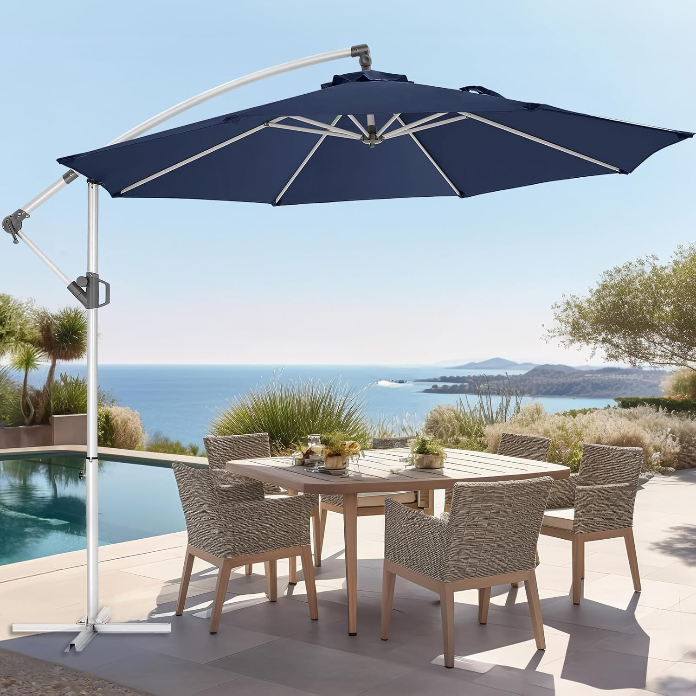 |  | SY20 单层海军蓝 | 231 | 161.00*31.00 *14.50cm | 14.1kg | https://www.amazon.com/dp/B0CNCDNNCL
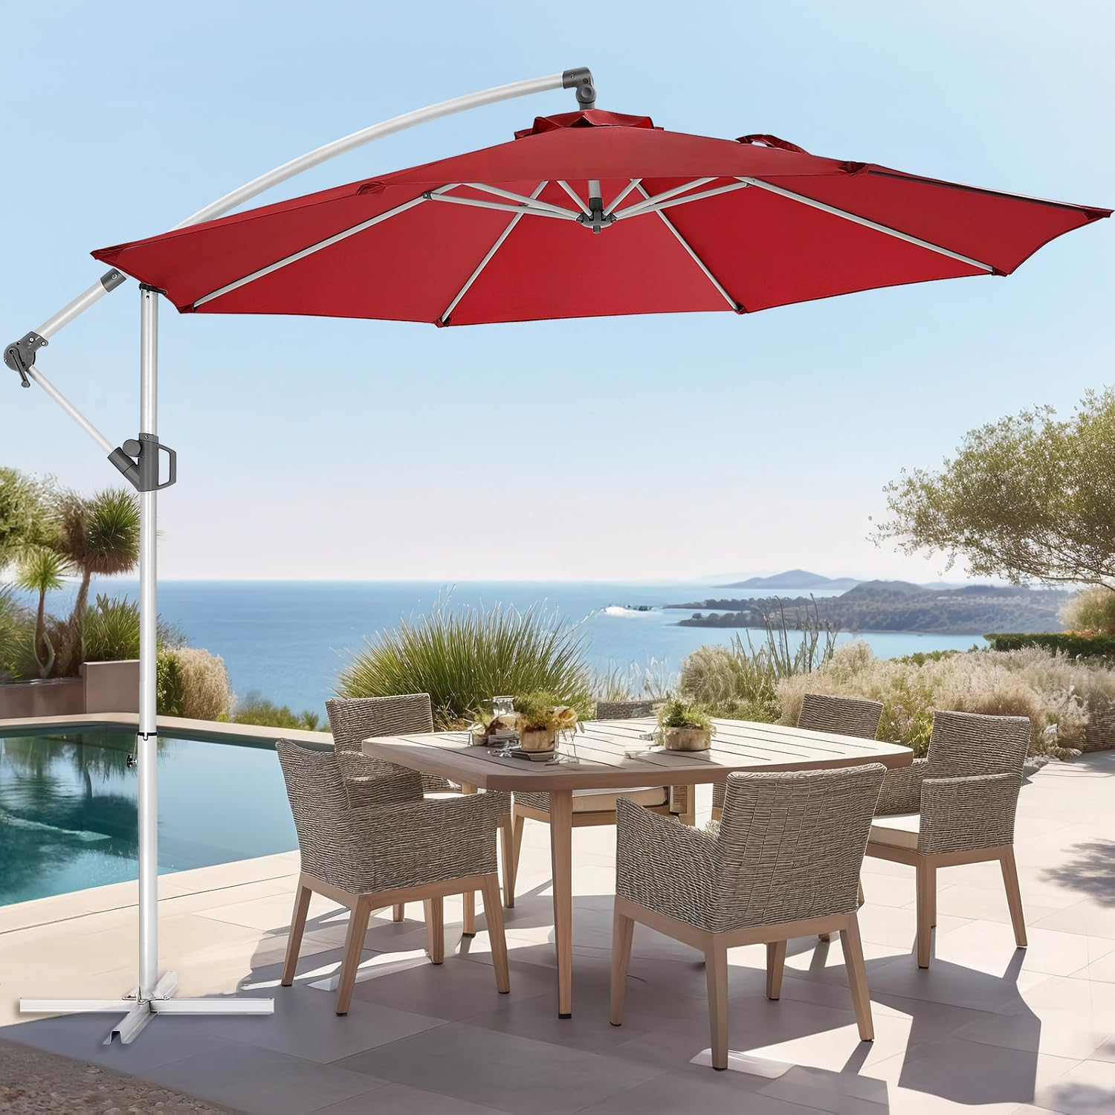 |  | SY20 单层勃艮第红 | 61 | 161.00*31.00 *14.50cm | 14.1kg | https://www.amazon.com/dp/B0CNBSY1XZ
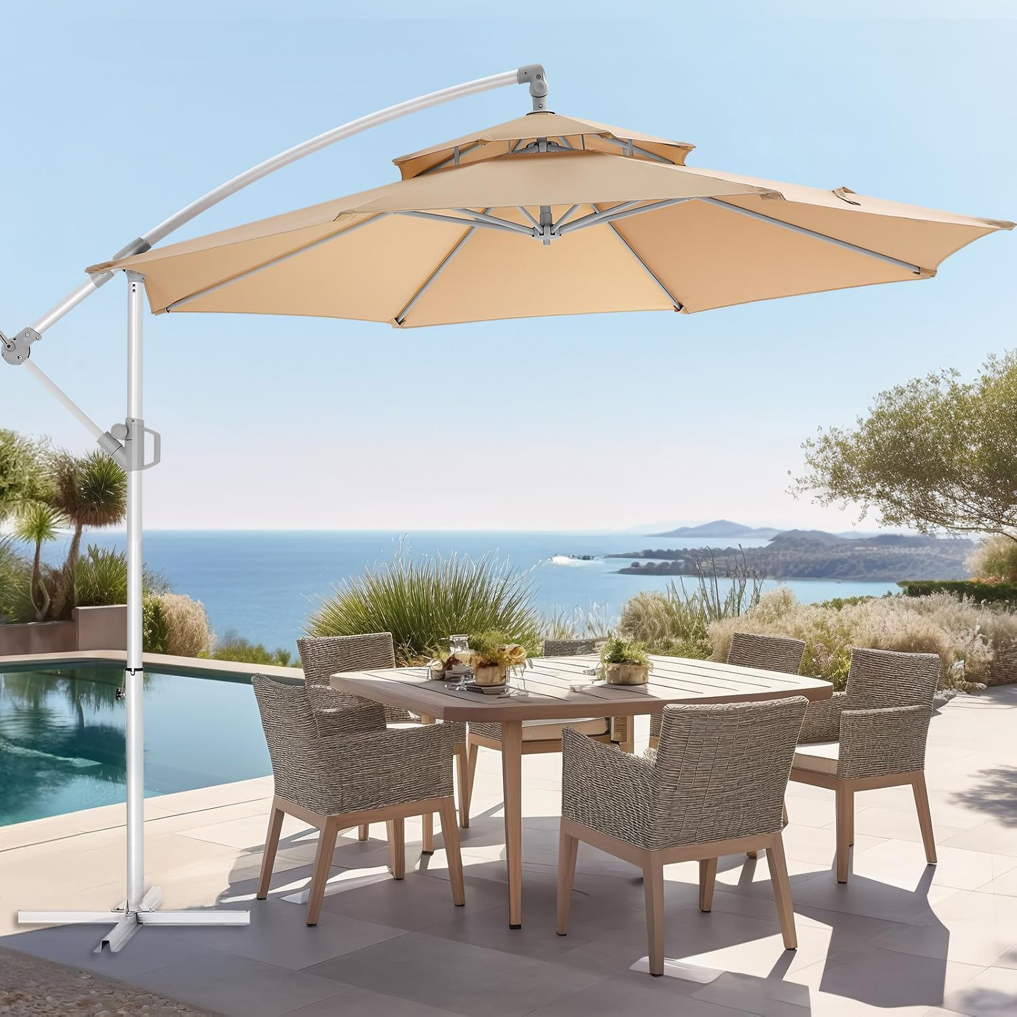 |  | SY20 双层米色 | 154 | 169.00*31.00 *16.00cm | 15.4kg | https://www.amazon.com/dp/B0CNC31SXR/
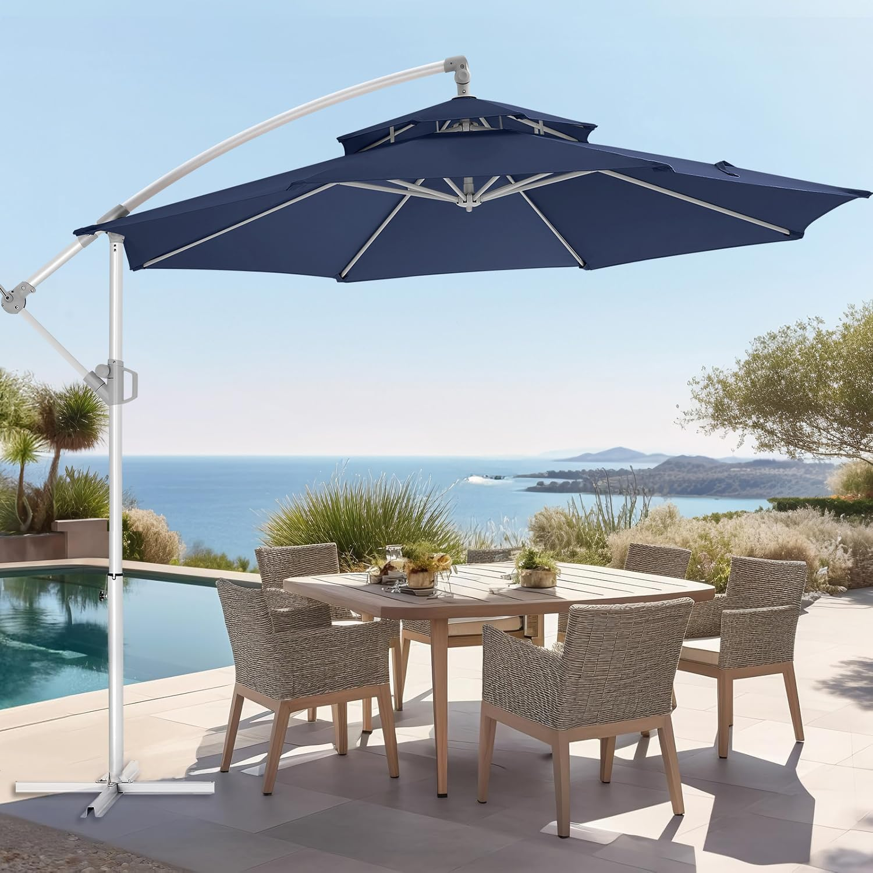 |  | SY20 双层海军蓝 | 45 | 169.00*31.00 *16.00cm | 15.4kg | https://www.amazon.com/dp/B0CNBVFTTQ
 |  |  | 918

